Proposition
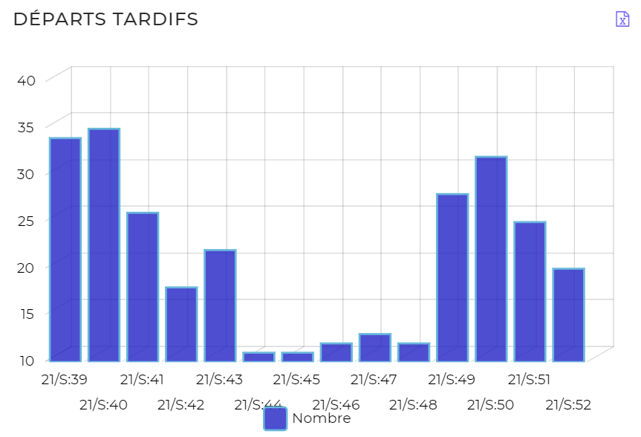
Rapport Départs tardifs - Semaine |  |  |  |  |  | Modifier le titre
Date(s) : 01 Oct. 2021 | 30 Déc. 2021 |  |  |  |  |  | Modifier les formats de date en JJ-MMM-AAAA
Flotte : National

Type Véhicule | Immatriculation | Conducteur | Semaine | Nombre de retards | Durée du retard (mn)
Voiture | 18 C 4080 E | OUSMANE Kelbo | 21/S:39 | 1 | 50
Moto | 18 M 6670 Y | Non attribué | 21/S:39 | 1 | 41
Moto | 18 M 66 59 Y | Alleyenan NAGUEDANGAR | 21/S:39 | 1 | 149
Moto | 18 M 71 24 AA | HOULPONGMY NZOUDERPOU | 21/S:39 | 2 | 225
Moto | 18 M 7123 AA | Non attribué | 21/S:39 | 1 | 39
Voiture | 18 C 4080 E | OUSMANE Kelbo | 21/S:40 | 5 | 305
Moto | 18 M 53 90 Z | Albert KEUMOBE | 21/S:40 | 2 | 7
Moto | 18 M 6670 Y | Non attribué | 21/S:40 | 6 | 88
Moto | 18 M 66 59 Y | Alleyenan NAGUEDANGAR | 21/S:40 | 5 | 382
Moto | 18 M 71 24 AA | HOULPONGMY NZOUDERPOU | 21/S:40 | 6 | 540
Moto | 18 M 7123 AA | Non attribué | 21/S:40 | 3 | 78
Voiture | 18C0584E | Non attribué | 21/S:40 | 1 | 389
Moto | 18 M 88 21 AA | Sylvestre RAMADAN | 21/S:40 | 1 | 2
Moto | 18 M 53 91 Z | Aubain MBAIDJIDJE | 21/S:40 | 2 | 26
Moto | 18 M 23 29 X | Kennedy RAKOM | 21/S:40 | 2 | 141
Moto | 18 M 88 20 AA | OLIVIER MADJITOLOUM | 21/S:40 | 2 | 11
Voiture | 18 C 4080 E | OUSMANE Kelbo | 21/S:41 | 2 | 676
Moto | 18 M 6670 Y | Non attribué | 21/S:41 | 1 | 40
Moto | 18 M 66 59 Y | Alleyenan NAGUEDANGAR | 21/S:41 | 5 | 471
Moto | 18 M 71 24 AA | HOULPONGMY NZOUDERPOU | 21/S:41 | 6 | 756
Moto | 18 M 7123 AA | Non attribué | 21/S:41 | 5 | 570
Voiture | 18 C 4082 E | Non attribué | 21/S:41 | 1 | 349
Moto | 18 M 88 21 AA | Sylvestre RAMADAN | 21/S:41 | 1 | 38
Moto | 18 M 53 93 Z | Valery NODJIBETNAN | 21/S:41 | 1 | 70
Moto | 18 M 53 91 Z | Aubain MBAIDJIDJE | 21/S:41 | 1 | 4
Moto | 18 M 23 29 X | Kennedy RAKOM | 21/S:41 | 2 | 254
Moto | 18 M 88 20 AA | OLIVIER MADJITOLOUM | 21/S:41 | 1 | 10
Voiture | 18 C 4080 E | OUSMANE Kelbo | 21/S:46 | 1 | 113
Moto | 18 M 53 90 Z | Albert KEUMOBE | 21/S:46 | 1 | 1
Moto | 18 M 66 59 Y | Alleyenan NAGUEDANGAR | 21/S:46 | 2 | 53
Moto | 18 M 71 24 AA | HOULPONGMY NZOUDERPOU | 21/S:46 | 2 | 8
Voiture | 18 C 4082 E | Non attribué | 21/S:46 | 2 | 515
Moto | 18 M 88 21 AA | Sylvestre RAMADAN | 21/S:46 | 1 | 2
Moto | 18 M 53 93 Z | Valery NODJIBETNAN | 21/S:46 | 1 | 1
Moto | 18 M 53 91 Z | Aubain MBAIDJIDJE | 21/S:46 | 2 | 75
Voiture | 18 C 4080 E | OUSMANE Kelbo | 21/S:47 | 1 | 71
Moto | 18 M 53 90 Z | Albert KEUMOBE | 21/S:47 | 1 | 8
Moto | 18 M 66 59 Y | Alleyenan NAGUEDANGAR | 21/S:47 | 4 | 94
Moto | 18 M 71 24 AA | HOULPONGMY NZOUDERPOU | 21/S:47 | 1 | 8
Moto | 18 M 88 21 AA | Sylvestre RAMADAN | 21/S:47 | 1 | 54
Moto | 18 M 53 93 Z | Valery NODJIBETNAN | 21/S:47 | 2 | 53
Moto | 18 M 53 91 Z | Aubain MBAIDJIDJE | 21/S:47 | 2 | 34
Moto | 18 M 23 29 X | Kennedy RAKOM | 21/S:47 | 1 | 34
Voiture | 18 C 4080 E | OUSMANE Kelbo | 21/S:48 | 2 | 197
Moto | 18 M 66 59 Y | Alleyenan NAGUEDANGAR | 21/S:48 | 2 | 102
Moto | 18 M 71 24 AA | HOULPONGMY NZOUDERPOU | 21/S:48 | 2 | 102
Moto | 18 M 88 21 AA | Sylvestre RAMADAN | 21/S:48 | 1 | 24
Moto | 18 M 53 93 Z | Valery NODJIBETNAN | 21/S:48 | 2 | 88
Moto | 18 M 53 91 Z | Aubain MBAIDJIDJE | 21/S:48 | 1 | 19
Moto | 18 M 23 29 X | Kennedy RAKOM | 21/S:48 | 2 | 27
Voiture | 18 C 4080 E | OUSMANE Kelbo | 21/S:49 | 2 | 31
Voiture | 18 C 2684 E | Rassembaye NADJINGAR | 21/S:49 | 1 | 338
Moto | 18 M 66 59 Y | Alleyenan NAGUEDANGAR | 21/S:49 | 4 | 211
Moto | 18 M 71 24 AA | HOULPONGMY NZOUDERPOU | 21/S:49 | 3 | 97
Moto | 18 M 88 21 AA | Sylvestre RAMADAN | 21/S:49 | 4 | 50
Moto | 18 M 53 93 Z | Valery NODJIBETNAN | 21/S:49 | 4 | 67
Moto | 18 M 53 91 Z | Aubain MBAIDJIDJE | 21/S:49 | 3 | 153
Moto | 18 M 23 29 X | Kennedy RAKOM | 21/S:49 | 4 | 102
Moto | 18 M 88 20 AA | OLIVIER MADJITOLOUM | 21/S:49 | 3 | 36
Voiture | 18 C 4080 E | OUSMANE Kelbo | 21/S:50 | 3 | 47
Moto | 18 M 66 59 Y | Alleyenan NAGUEDANGAR | 21/S:50 | 4 | 49
Moto | 18 M 71 24 AA | HOULPONGMY NZOUDERPOU | 21/S:50 | 4 | 65
Moto | 18 M 88 21 AA | Sylvestre RAMADAN | 21/S:50 | 3 | 134
Moto | 18 M 53 93 Z | Valery NODJIBETNAN | 21/S:50 | 5 | 115
Moto | 18 M 53 91 Z | Aubain MBAIDJIDJE | 21/S:50 | 5 | 184
Moto | 18 M 23 29 X | Kennedy RAKOM | 21/S:50 | 5 | 210
Moto | 18 M 88 20 AA | OLIVIER MADJITOLOUM | 21/S:50 | 3 | 90
Voiture | 18 C 4080 E | OUSMANE Kelbo | 21/S:51 | 1 | 1
Voiture | 18 C 2684 E | Rassembaye NADJINGAR | 21/S:51 | 1 | 107
Moto | 18 M 53 90 Z | Albert KEUMOBE | 21/S:51 | 1 | 4
Moto | 18 M 66 59 Y | Alleyenan NAGUEDANGAR | 21/S:51 | 3 | 367
Moto | 18 M 71 24 AA | HOULPONGMY NZOUDERPOU | 21/S:51 | 2 | 15
Moto | 18 M 88 21 AA | Sylvestre RAMADAN | 21/S:51 | 3 | 93
Moto | 18 M 53 93 Z | Valery NODJIBETNAN | 21/S:51 | 4 | 62
Moto | 18 M 53 91 Z | Aubain MBAIDJIDJE | 21/S:51 | 4 | 54
Moto | 18 M 23 29 X | Kennedy RAKOM | 21/S:51 | 3 | 48
Moto | 18 M 88 20 AA | OLIVIER MADJITOLOUM | 21/S:51 | 3 | 39
Moto | 18 M 53 90 Z | Albert KEUMOBE | 21/S:44 | 1 | 59
Moto | 18 M 66 59 Y | Alleyenan NAGUEDANGAR | 21/S:44 | 2 | 25
Moto | 18 M 71 24 AA | HOULPONGMY NZOUDERPOU | 21/S:44 | 2 | 9
Moto | 18 M 88 21 AA | Sylvestre RAMADAN | 21/S:44 | 2 | 40
Moto | 18 M 53 91 Z | Aubain MBAIDJIDJE | 21/S:44 | 2 | 47
Moto | 18 M 23 29 X | Kennedy RAKOM | 21/S:44 | 2 | 120
Moto | 18 M 53 90 Z | Albert KEUMOBE | 21/S:45 | 2 | 16
Moto | 18 M 66 59 Y | Alleyenan NAGUEDANGAR | 21/S:45 | 3 | 85
Moto | 18 M 71 24 AA | HOULPONGMY NZOUDERPOU | 21/S:45 | 1 | 3
Moto | 18 M 88 21 AA | Sylvestre RAMADAN | 21/S:45 | 1 | 13
Moto | 18 M 53 91 Z | Aubain MBAIDJIDJE | 21/S:45 | 2 | 11
Moto | 18 M 23 29 X | Kennedy RAKOM | 21/S:45 | 2 | 23
Moto | 18 M 53 90 Z | Albert KEUMOBE | 21/S:52 | 1 | 10
Moto | 18 M 66 59 Y | Alleyenan NAGUEDANGAR | 21/S:52 | 3 | 192
Moto | 18 M 71 24 AA | HOULPONGMY NZOUDERPOU | 21/S:52 | 2 | 96
Moto | 18 M 88 21 AA | Sylvestre RAMADAN | 21/S:52 | 3 | 78
Moto | 18 M 53 93 Z | Valery NODJIBETNAN | 21/S:52 | 3 | 65
Moto | 18 M 53 91 Z | Aubain MBAIDJIDJE | 21/S:52 | 3 | 41
Moto | 18 M 23 29 X | Kennedy RAKOM | 21/S:52 | 3 | 23
Moto | 18 M 88 20 AA | OLIVIER MADJITOLOUM | 21/S:52 | 2 | 49
Moto | 18 M 6670 Y | Non attribué | 21/S:43 | 2 | 4
Moto | 18 M 66 59 Y | Alleyenan NAGUEDANGAR | 21/S:43 | 4 | 96
Moto | 18 M 71 24 AA | HOULPONGMY NZOUDERPOU | 21/S:43 | 6 | 239
Moto | 18 M 7123 AA | Non attribué | 21/S:43 | 6 | 239
Moto | 18 M 53 93 Z | Valery NODJIBETNAN | 21/S:43 | 1 | 20
Moto | 18 M 53 91 Z | Aubain MBAIDJIDJE | 21/S:43 | 2 | 63
Moto | 18 M 88 20 AA | OLIVIER MADJITOLOUM | 21/S:43 | 1 | 88
Moto | 18 M 66 59 Y | Alleyenan NAGUEDANGAR | 21/S:42 | 1 | 139
Moto | 18 M 71 24 AA | HOULPONGMY NZOUDERPOU | 21/S:42 | 4 | 269
Moto | 18 M 7123 AA | Non attribué | 21/S:42 | 5 | 555
Moto | 18 M 53 93 Z | Valery NODJIBETNAN | 21/S:42 | 3 | 11
Moto | 18 M 53 91 Z | Aubain MBAIDJIDJE | 21/S:42 | 3 | 32
Moto | 18 M 23 29 X | Kennedy RAKOM | 21/S:42 | 1 | 5
Moto | 18 M 88 20 AA | OLIVIER MADJITOLOUM | 21/S:42 | 1 | 29

